CEMENT
Surface Treatment_Cement_001
 | Cement_001
-3.081497 | 234.714415
-2.952809 | 233.861732
-1.985126 | 276.47418
-2.662123 | 254.718691
-3.012077 | 237.133743
-3.366698 | 215.279756
-3.658954 | 239.771837
-3.513609 | 245.01474
-3.06612 | 198.512932
-3.21332 | 222.147251
-3.792056 | 266.859125
-3.577752 | 259.269529
-3.11514 | 186.326844
-3.264658 | 203.657838
-3.149189 | 196.91188
-4.496066 | 250.399427
-4.52449 | 209.330305
-4.673601 | 275.669961
-4.943778 | 236.708257
-5.05358 | 221.896906
-4.501242 | 172.312742
-5.393749 | 200.038582
-5.874439 | 158.294302
-5.981217 | 237.63572
-5.747184 | 224.549491
-5.922473 | 214.435341
-6.533317 | 203.437529
-7.565793 | 229.37597
-7.671977 | 197.888349
-7.65157 | 179.173461
-7.721546 | 142.387567
-8.107069 | 199.445018
-8.002133 | 194.532479
-8.206067 | 209.643196
-9.208577 | 210.153017
-9.373355 | 196.171903
-9.513651 | 166.321576
-9.598258 | 213.119301
-9.838169 | 177.198741
-9.909796 | 207.520693
-10.253668 | 168.98829
-11.057536 | 180.621964
-10.889387 | 191.551842
-11.486127 | 189.090675
-11.180997 | 142.835777
-11.245797 | 179.866354
-11.476237 | 131.538247
-11.91027 | 161.564226
-12.0772 | 111.996596
-12.480558 | 173.329934
...
Surface Treatment_Cement_002
 | Cement_002
14.947789 | 257.78487
14.854411 | 170.370681
14.988111 | 235.200159
14.968264 | 267.94645
14.884998 | 183.579479
14.907518 | 252.103323
14.836644 | 270.42697
13.84711 | 259.544621
13.357356 | 280.639809
13.633396 | 220.972421
13.751285 | 184.942585
13.374493 | 267.619891
13.148397 | 263.011782
13.373592 | 151.301062
13.03885 | 251.657377
12.09673 | 205.58011
11.954051 | 206.437123
12.123407 | 279.389977
11.940604 | 221.896265
11.521828 | 259.848256
11.614313 | 253.719373
11.290254 | 192.405085
10.865837 | 169.758955
10.122474 | 201.099313
10.197259 | 159.592072
10.156181 | 202.512547
10.074713 | 260.086981
10.031893 | 252.16922
9.98103 | 191.991635
9.641869 | 169.522827
9.102469 | 202.83445
8.576382 | 163.137552
8.631297 | 201.961611
8.475692 | 212.990332
8.580442 | 222.71941
7.460834 | 238.313005
7.019542 | 145.71789
6.776681 | 222.253573
7.023726 | 190.454745
6.855405 | 155.325761
6.853392 | 181.762542
6.181749 | 122.994771
5.42736 | 184.028305
5.283609 | 205.424512
5.393874 | 199.290203
5.433681 | 136.034677
5.217686 | 186.329332
5.073271 | 190.237205
4.797129 | 161.241801
4.172089 | 145.367685
...
Time (s) | Depth (nm) | Cement_003 | Time (s)
0 | 21.799486 | 193.313411 | 0
0.005005 | 21.793639 | 232.359265 | 0.005005
0.01001 | 21.883704 | 217.690169 | 0.01001
0.015014 | 21.650805 | 230.979365 | 0.015014
0.020019 | 22.005893 | 256.49353 | 0.020019
0.025024 | 22.052795 | 240.617487 | 0.025024
0.030029 | 21.823679 | 263.869924 | 0.030029
0.035034 | 21.358261 | 260.961794 | 0.035034
0.040038 | 21.086439 | 259.417988 | 0.040038
0.045043 | 20.613867 | 175.780231 | 0.045043
0.050048 | 20.629656 | 220.51339 | 0.050048
0.055053 | 20.454515 | 203.281732 | 0.055053
0.060058 | 20.360991 | 169.756776 | 0.060058
0.065062 | 20.247472 | 183.619542 | 0.065062
0.070067 | 20.22674 | 238.328253 | 0.070067
Surface Treatment_Cement_003
 | Cement_003
21.799486 | 193.313411
21.793639 | 232.359265
21.883704 | 217.690169
21.650805 | 230.979365
22.005893 | 256.49353
22.052795 | 240.617487
21.823679 | 263.869924
21.358261 | 260.961794
21.086439 | 259.417988
20.613867 | 175.780231
20.629656 | 220.51339
20.454515 | 203.281732
20.360991 | 169.756776
20.247472 | 183.619542
20.22674 | 238.328253
19.81248 | 208.154962
19.186844 | 186.993888
18.796517 | 177.148767
18.661713 | 184.714048
18.496259 | 218.928157
18.648544 | 203.223277
18.786211 | 184.065841
17.784424 | 192.709496
17.671156 | 218.570119
17.639561 | 211.462328
17.377486 | 211.542387
17.652741 | 167.330293
17.254706 | 189.617546
16.423841 | 152.250854
16.318422 | 191.327102
16.086586 | 159.267909
15.770754 | 197.391695
15.614936 | 179.544081
15.62898 | 150.663423
15.036343 | 175.4504
14.44024 | 175.22584
14.39947 | 196.590496
13.96136 | 172.931877
14.092298 | 200.751402
14.025064 | 208.296039
13.534452 | 185.263525
13.21059 | 181.498738
12.741596 | 195.266799
12.449856 | 191.288839
12.601498 | 149.758146
12.571715 | 145.700129
12.010246 | 124.316141
11.514658 | 155.580792
11.234127 | 146.515553
10.942523 | 154.738821
...
Surface Treatment_Cement
 | Cement_001 |  | Cement_002 |  | Cement_003
-3.081497 | 234.714415 | 14.947789 | 257.78487 | 21.799486 | 193.313411
-2.952809 | 233.861732 | 14.854411 | 170.370681 | 21.793639 | 232.359265
-1.985126 | 276.47418 | 14.988111 | 235.200159 | 21.883704 | 217.690169
-2.662123 | 254.718691 | 14.968264 | 267.94645 | 21.650805 | 230.979365
-3.012077 | 237.133743 | 14.884998 | 183.579479 | 22.005893 | 256.49353
-3.366698 | 215.279756 | 14.907518 | 252.103323 | 22.052795 | 240.617487
-3.658954 | 239.771837 | 14.836644 | 270.42697 | 21.823679 | 263.869924
-3.513609 | 245.01474 | 13.84711 | 259.544621 | 21.358261 | 260.961794
-3.06612 | 198.512932 | 13.357356 | 280.639809 | 21.086439 | 259.417988
-3.21332 | 222.147251 | 13.633396 | 220.972421 | 20.613867 | 175.780231
-3.792056 | 266.859125 | 13.751285 | 184.942585 | 20.629656 | 220.51339
-3.577752 | 259.269529 | 13.374493 | 267.619891 | 20.454515 | 203.281732
-3.11514 | 186.326844 | 13.148397 | 263.011782 | 20.360991 | 169.756776
-3.264658 | 203.657838 | 13.373592 | 151.301062 | 20.247472 | 183.619542
-3.149189 | 196.91188 | 13.03885 | 251.657377 | 20.22674 | 238.328253
-4.496066 | 250.399427 | 12.09673 | 205.58011 | 19.81248 | 208.154962
-4.52449 | 209.330305 | 11.954051 | 206.437123 | 19.186844 | 186.993888
-4.673601 | 275.669961 | 12.123407 | 279.389977 | 18.796517 | 177.148767
-4.943778 | 236.708257 | 11.940604 | 221.896265 | 18.661713 | 184.714048
-5.05358 | 221.896906 | 11.521828 | 259.848256 | 18.496259 | 218.928157
-4.501242 | 172.312742 | 11.614313 | 253.719373 | 18.648544 | 203.223277
-5.393749 | 200.038582 | 11.290254 | 192.405085 | 18.786211 | 184.065841
-5.874439 | 158.294302 | 10.865837 | 169.758955 | 17.784424 | 192.709496
-5.981217 | 237.63572 | 10.122474 | 201.099313 | 17.671156 | 218.570119
-5.747184 | 224.549491 | 10.197259 | 159.592072 | 17.639561 | 211.462328
-5.922473 | 214.435341 | 10.156181 | 202.512547 | 17.377486 | 211.542387
-6.533317 | 203.437529 | 10.074713 | 260.086981 | 17.652741 | 167.330293
-7.565793 | 229.37597 | 10.031893 | 252.16922 | 17.254706 | 189.617546
-7.671977 | 197.888349 | 9.98103 | 191.991635 | 16.423841 | 152.250854
-7.65157 | 179.173461 | 9.641869 | 169.522827 | 16.318422 | 191.327102
-7.721546 | 142.387567 | 9.102469 | 202.83445 | 16.086586 | 159.267909
-8.107069 | 199.445018 | 8.576382 | 163.137552 | 15.770754 | 197.391695
-8.002133 | 194.532479 | 8.631297 | 201.961611 | 15.614936 | 179.544081
-8.206067 | 209.643196 | 8.475692 | 212.990332 | 15.62898 | 150.663423
-9.208577 | 210.153017 | 8.580442 | 222.71941 | 15.036343 | 175.4504
-9.373355 | 196.171903 | 7.460834 | 238.313005 | 14.44024 | 175.22584
-9.513651 | 166.321576 | 7.019542 | 145.71789 | 14.39947 | 196.590496
-9.598258 | 213.119301 | 6.776681 | 222.253573 | 13.96136 | 172.931877
-9.838169 | 177.198741 | 7.023726 | 190.454745 | 14.092298 | 200.751402
-9.909796 | 207.520693 | 6.855405 | 155.325761 | 14.025064 | 208.296039
-10.253668 | 168.98829 | 6.853392 | 181.762542 | 13.534452 | 185.263525
-11.057536 | 180.621964 | 6.181749 | 122.994771 | 13.21059 | 181.498738
-10.889387 | 191.551842 | 5.42736 | 184.028305 | 12.741596 | 195.266799
-11.486127 | 189.090675 | 5.283609 | 205.424512 | 12.449856 | 191.288839
-11.180997 | 142.835777 | 5.393874 | 199.290203 | 12.601498 | 149.758146
-11.245797 | 179.866354 | 5.433681 | 136.034677 | 12.571715 | 145.700129
-11.476237 | 131.538247 | 5.217686 | 186.329332 | 12.010246 | 124.316141
-11.91027 | 161.564226 | 5.073271 | 190.237205 | 11.514658 | 155.580792
-12.0772 | 111.996596 | 4.797129 | 161.241801 | 11.234127 | 146.515553
-12.480558 | 173.329934 | 4.172089 | 145.367685 | 10.942523 | 154.738821
...
0.075072 | 19.81248 | 208.154962 | 0.075072
0.080077 | 19.186844 | 186.993888 | 0.080077
0.085082 | 18.796517 | 177.148767 | 0.085082
0.090086 | 18.661713 | 184.714048 | 0.090086
0.095091 | 18.496259 | 218.928157 | 0.095091
0.100096 | 18.648544 | 203.223277 | 0.100096
0.105101 | 18.786211 | 184.065841 | 0.105101
0.110106 | 17.784424 | 192.709496 | 0.110106
0.11511 | 17.671156 | 218.570119 | 0.11511
0.120115 | 17.639561 | 211.462328 | 0.120115
0.12512 | 17.377486 | 211.542387 | 0.12512
0.130125 | 17.652741 | 167.330293 | 0.130125
0.13513 | 17.254706 | 189.617546 | 0.13513
0.140134 | 16.423841 | 152.250854 | 0.140134
0.145139 | 16.318422 | 191.327102 | 0.145139
0.150144 | 16.086586 | 159.267909 | 0.150144
0.155149 | 15.770754 | 197.391695 | 0.155149
0.160154 | 15.614936 | 179.544081 | 0.160154
0.165158 | 15.62898 | 150.663423 | 0.165158
0.170163 | 15.036343 | 175.4504 | 0.170163
0.175168 | 14.44024 | 175.22584 | 0.175168
0.180173 | 14.39947 | 196.590496 | 0.180173
0.185178 | 13.96136 | 172.931877 | 0.185178
0.190182 | 14.092298 | 200.751402 | 0.190182
0.195187 | 14.025064 | 208.296039 | 0.195187
...

WHITE
Surface Treatment_Cement
 | White_001
-11.30119 | 264.490034
-11.488421 | 248.685485
-11.991935 | 263.277343
-11.314253 | 234.600489
-11.729702 | 252.825794
-11.732942 | 257.503752
-11.711966 | 253.023382
-11.536534 | 227.347004
-12.009997 | 255.757734
-12.227117 | 240.369032
-12.253316 | 249.934499
-12.070926 | 199.650196
-12.412124 | 216.632671
-12.711482 | 272.442957
-13.124606 | 191.227542
-13.158013 | 182.290022
-13.450072 | 148.62244
-13.498281 | 184.223868
-13.65636 | 154.785754
-13.593702 | 154.156368
-14.686087 | 167.708081
-15.077679 | 164.980659
-15.012689 | 129.170418
-14.86061 | 73.811683
-15.217946 | 110.727664
-15.464811 | 107.956007
-16.13003 | 108.769237
-15.947718 | 73.12653
-16.410558 | 116.175361
-16.59195 | 144.090045
-17.07682 | 95.02659
-17.252502 | 71.491157
-17.913604 | 121.1079
-17.763688 | 52.938594
-17.638823 | 99.061407
-17.616805 | -2.621988
-18.822414 | -29.502881
-19.433593 | 28.232613
-19.558653 | 86.226281
-19.749581 | 25.075218
-19.565467 | 23.595293
-19.962388 | 9.481758
-20.571392 | 38.543866
-20.617516 | 16.595681
-21.038853 | -6.661259
-21.123466 | -44.255805
-21.122648 | 15.529467
-20.771416 | -8.573706
-21.599393 | -1.000065
-22.033381 | -10.425143
...
Depth (nm) | White_001 | Time (s)
-11.30119 | 264.490034 | 0
-11.488421 | 248.685485 | 0.005005
-11.991935 | 263.277343 | 0.01001
-11.314253 | 234.600489 | 0.015014
-11.729702 | 252.825794 | 0.020019
-11.732942 | 257.503752 | 0.025024
-11.711966 | 253.023382 | 0.030029
-11.536534 | 227.347004 | 0.035034
-12.009997 | 255.757734 | 0.040038
-12.227117 | 240.369032 | 0.045043
-12.253316 | 249.934499 | 0.050048
-12.070926 | 199.650196 | 0.055053
-12.412124 | 216.632671 | 0.060058
-12.711482 | 272.442957 | 0.065062
-13.124606 | 191.227542 | 0.070067
-13.158013 | 182.290022 | 0.075072
-13.450072 | 148.62244 | 0.080077
-13.498281 | 184.223868 | 0.085082
-13.65636 | 154.785754 | 0.090086
-13.593702 | 154.156368 | 0.095091
-14.686087 | 167.708081 | 0.100096
-15.077679 | 164.980659 | 0.105101
-15.012689 | 129.170418 | 0.110106
-14.86061 | 73.811683 | 0.11511
-15.217946 | 110.727664 | 0.120115
...

ZIRCONIA
Surface Treatment_Zirconia_001
 | Zirconia_001
5.39034 | 298.294043
5.441705 | 252.117319
5.686721 | 215.439001
5.625097 | 198.986323
5.336993 | 261.503607
5.466903 | 223.030298
5.208284 | 194.640053
4.499441 | 236.543999
4.152573 | 223.635504
4.354453 | 220.930228
3.844643 | 155.199979
3.887654 | 225.140018
3.96537 | 215.762072
4.215888 | 217.108974
4.039386 | 208.825506
3.927111 | 177.340251
3.364057 | 219.199616
3.108388 | 200.162679
2.929779 | 149.989317
2.676474 | 207.615443
2.776803 | 195.993711
2.633525 | 168.991691
1.993084 | 188.709312
1.502619 | 190.689446
0.719163 | 191.132336
0.895102 | 190.265159
1.332566 | 163.0856
0.986959 | 189.423708
0.941799 | 160.76488
0.289109 | 164.62478
-0.6474 | 181.992695
-0.162149 | 168.626471
-0.71304 | 160.254125
-0.895015 | 149.125417
-0.683568 | 111.033975
-0.885474 | 153.392933
-1.818985 | 217.327596
-1.972798 | 146.608081
-2.195706 | 120.037144
-2.244253 | 151.16486
-2.844 | 139.147124
-2.432863 | 122.753287
-3.449224 | 118.183602
-3.820925 | 96.945322
-3.538261 | 158.067855
-3.573493 | 126.559086
-3.686182 | 133.100823
-3.450005 | 113.913553
-4.257594 | 148.323617
-4.735494 | 103.528975
...
Surface Treatment_Zirconia_002
 | Zirconia_002
8.777617 | 254.698608
8.825937 | 263.426918
8.910717 | 276.821205
8.577805 | 214.085796
8.400642 | 219.019329
8.202178 | 228.026434
8.494872 | 211.667613
8.154055 | 216.65118
7.827207 | 176.486148
7.843737 | 195.188449
7.976615 | 236.427363
7.933185 | 227.288656
7.513988 | 222.12854
6.79798 | 196.927239
6.491731 | 174.650965
6.657418 | 212.422829
6.888442 | 196.082867
6.673555 | 167.474727
6.760629 | 195.509684
6.422553 | 222.657878
5.873644 | 197.608844
5.204052 | 186.628061
5.409566 | 169.279143
5.824451 | 136.208069
5.570188 | 139.131643
4.464059 | 136.825153
4.230544 | 128.354642
4.17621 | 119.625996
4.292805 | 104.337813
3.857101 | 192.318253
3.455255 | 92.593902
2.872436 | 131.00126
3.062833 | 108.979876
2.676703 | 143.46341
2.564858 | 102.622656
2.30467 | 115.919017
1.750175 | 98.59915
1.311679 | 94.05502
1.321775 | 88.763671
1.152955 | 74.986232
1.18198 | 65.622053
0.417846 | 134.994408
0.092686 | 62.902636
0.163128 | 35.02075
0.125962 | 66.753951
-0.153449 | 78.429365
-0.323356 | -1.843868
-1.225352 | -4.41609
-1.746747 | -11.171726
-2.280837 | 45.725699
...
Time (s) | Depth (nm) | Zirconia_003 | Time (s)
0 | 6.273121 | 224.770406 | 0
0.005005 | 5.997757 | 237.868413 | 0.005005
0.01001 | 6.269586 | 290.859732 | 0.01001
0.015014 | 6.089424 | 185.170543 | 0.015014
0.020019 | 6.007085 | 248.234343 | 0.020019
0.025024 | 5.542262 | 267.287502 | 0.025024
0.030029 | 5.587078 | 251.004825 | 0.030029
0.035034 | 5.535431 | 291.487129 | 0.035034
0.040038 | 6.048389 | 260.623293 | 0.040038
0.045043 | 6.048069 | 213.444777 | 0.045043
0.050048 | 5.62649 | 241.838938 | 0.050048
0.055053 | 5.699107 | 286.757023 | 0.055053
0.060058 | 6.044346 | 244.556686 | 0.060058
0.065062 | 5.843756 | 278.170502 | 0.065062
0.070067 | 4.732059 | 234.788654 | 0.070067
Surface Treatment_Zirconia_003
 | Zirconia_003
6.273121 | 224.770406
5.997757 | 237.868413
6.269586 | 290.859732
6.089424 | 185.170543
6.007085 | 248.234343
5.542262 | 267.287502
5.587078 | 251.004825
5.535431 | 291.487129
6.048389 | 260.623293
6.048069 | 213.444777
5.62649 | 241.838938
5.699107 | 286.757023
6.044346 | 244.556686
5.843756 | 278.170502
4.732059 | 234.788654
4.593023 | 216.732006
5.201975 | 196.209866
4.670359 | 220.163888
4.546041 | 226.098378
4.299461 | 226.173005
3.592679 | 162.738894
3.208548 | 156.754989
3.114524 | 147.022067
3.050712 | 136.26315
3.370421 | 101.391432
2.647833 | 121.540086
2.128161 | 130.849047
1.946854 | 149.408801
2.025152 | 105.663359
1.620478 | 106.599722
1.246301 | 66.652963
0.706903 | 48.312057
0.838026 | 67.589688
0.363685 | 70.174165
0.339604 | 105.970781
0.141612 | 93.626071
-0.021304 | 36.533178
-0.579238 | 112.756699
-1.160574 | 28.949215
-1.245891 | 68.221504
-1.229951 | 34.052743
-1.277771 | 22.272206
-1.837204 | 24.475991
-2.424765 | 11.640334
-2.387797 | -17.857722
-2.547662 | -11.912392
-2.552351 | 8.626837
-2.471735 | 4.331066
-3.232581 | -10.078428
-3.578974 | -13.633613
...
Surface Treatment_Zirconia
0.075072 | 4.593023 | 216.732006 | 0.075072
0.080077 | 5.201975 | 196.209866 | 0.080077
0.085082 | 4.670359 | 220.163888 | 0.085082
0.090086 | 4.546041 | 226.098378 | 0.090086
0.095091 | 4.299461 | 226.173005 | 0.095091
0.100096 | 3.592679 | 162.738894 | 0.100096
0.105101 | 3.208548 | 156.754989 | 0.105101
0.110106 | 3.114524 | 147.022067 | 0.110106
0.11511 | 3.050712 | 136.26315 | 0.11511
0.120115 | 3.370421 | 101.391432 | 0.120115
0.12512 | 2.647833 | 121.540086 | 0.12512
0.130125 | 2.128161 | 130.849047 | 0.130125
0.13513 | 1.946854 | 149.408801 | 0.13513
0.140134 | 2.025152 | 105.663359 | 0.140134
0.145139 | 1.620478 | 106.599722 | 0.145139
0.150144 | 1.246301 | 66.652963 | 0.150144
0.155149 | 0.706903 | 48.312057 | 0.155149
0.160154 | 0.838026 | 67.589688 | 0.160154
0.165158 | 0.363685 | 70.174165 | 0.165158
0.170163 | 0.339604 | 105.970781 | 0.170163
0.175168 | 0.141612 | 93.626071 | 0.175168
0.180173 | -0.021304 | 36.533178 | 0.180173
0.185178 | -0.579238 | 112.756699 | 0.185178
0.190182 | -1.160574 | 28.949215 | 0.190182
0.195187 | -1.245891 | 68.221504 | 0.195187
...

P-H CURVE
P-H Curve_With Surface Treatment_Cement vs Zirconia

DIGITAL MICROSCOPE
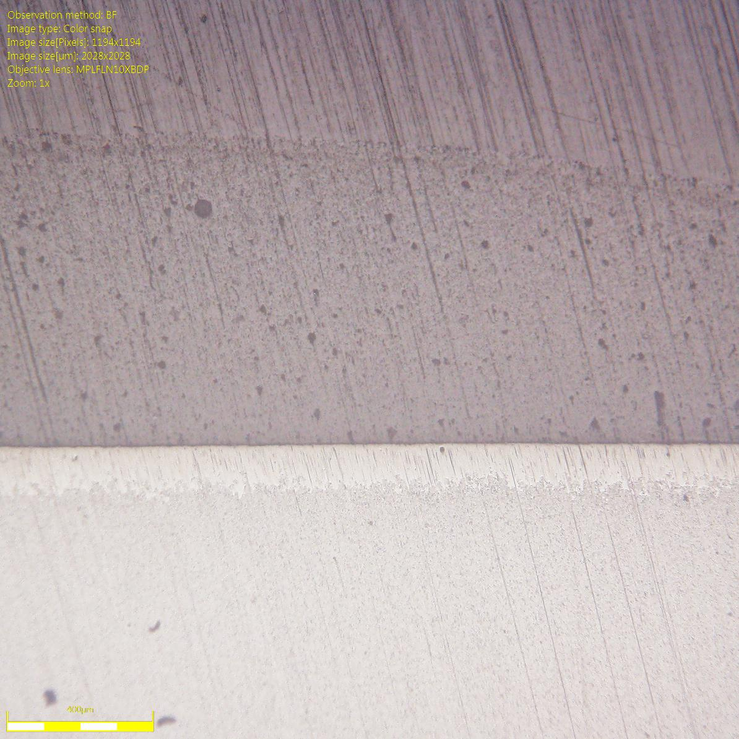

Cement

White

Zirconia

